Sheet1
Ari's Fruit Chart

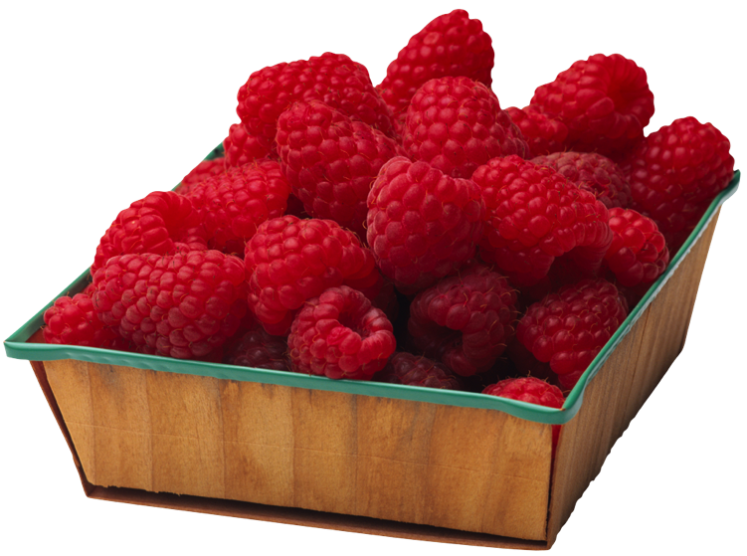
Lemons | 6
Apples | 8
Raspberries | 24
Pineapples | 5
Grapes | 30
Bananas | 7
Mangos | 9
Kiwi | 10

